SRC-202607-0017
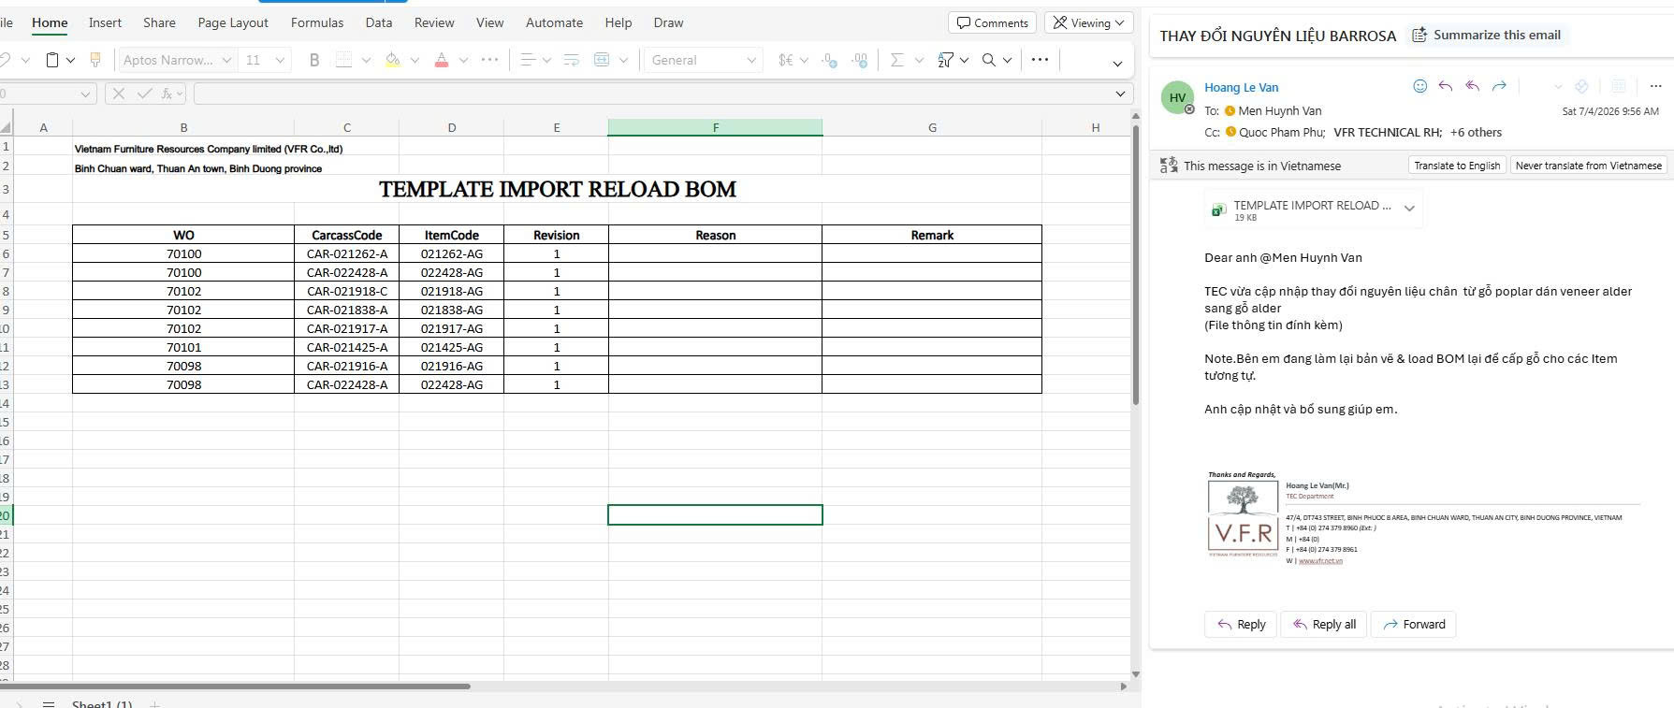
Selected | Request Code | Material Code | Material Name | Material Dimension(W-L-T) | Unit | Supplement Qty | WO | Item Code | Revision | Carcass Code | ItemQty | BOM Qty Per Item | Total BOM Qty | Requester Remark | HOD Remark | Related HOD Remark | BOD Remark | Budget | HOD | Related HOD | BOD
0 | SRC-202607-0017 | 012-02-00005 | Alder60 - Alder60 |  | Cbm | 0.15365 | 70102 | 021838-AG | 1 | CAR-021838-A | 7 | 0.02195 | 0.15365 |  |  |  |  | 0 | Approved | Approved | Pending
0 | SRC-202607-0017 | 012-02-00005 | Alder60 - Alder60 |  | Cbm | 0.1384 | 70102 | 021918-AG | 1 | CAR-021918-C | 2 | 0.0692 | 0.1384 |  |  |  |  | 0 | Approved | Approved | Pending
0 | SRC-202607-0017 | 012-02-00005 | Alder60 - Alder60 |  | Cbm | 0.0342 | 70102 | 021917-AG | 1 | CAR-021917-A | 2 | 0.0171 | 0.0342 |  |  |  |  | 0 | Approved | Approved | Pending
0 | SRC-202607-0017 | 012-02-00005 | Alder60 - Alder60 |  | Cbm | 0.0424 | 70101 | 022425-AG | 1 | CAR-022425-A | 4 | 0.0106 | 0.0424 |  |  |  |  | 0 | Approved | Approved | Pending
0 | SRC-202607-0017 | 012-02-00005 | Alder60 - Alder60 |  | Cbm | 0.024 | 70098 | 022428-AG | 1 | CAR-022428-A | 3 | 0.008 | 0.024 |  |  |  |  | 0 | Approved | Approved | Pending
0 | SRC-202607-0017 | 012-02-00005 | Alder60 - Alder60 |  | Cbm | 0.0154 | 70098 | 021916-AG | 1 | CAR-021916-A | 2 | 0.0077333333333 | 0.015466666667 |  |  |  |  | 0 | Approved | Approved | Pending
0 | SRC-202607-0017 | 012-02-00005 | Alder60 - Alder60 |  | Cbm | 0.008 | 70100 | 022428-AG | 1 | CAR-022428-A | 1 | 0.008 | 0.008 |  |  |  |  | 0 | Approved | Approved | Pending
0 | SRC-202607-0017 | 012-02-00005 | Alder60 - Alder60 |  | Cbm | 0.02 | 70100 | 021262-AG | 1 | CAR-021262-A | 2 | 0.01 | 0.02 |  |  |  |  | 0 | Approved | Approved | Pending

SRC-202607-0010
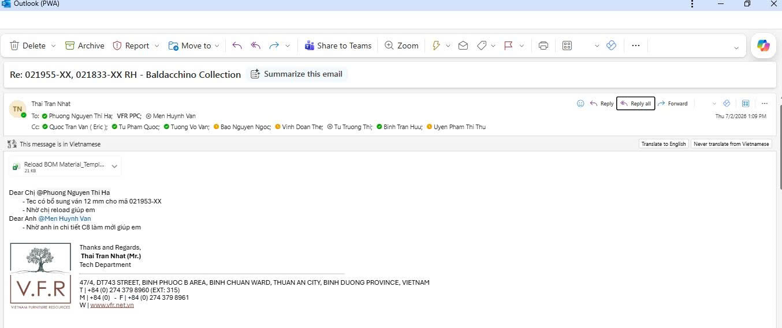
Selected | Request Code | Material Code | Material Name | Material Dimension(W-L-T) | Unit | Supplement Qty | WO | Item Code | Revision | Carcass Code | ItemQty | BOM Qty Per Item | Total BOM Qty | Requester Remark | HOD Remark | Related HOD Remark | BOD Remark | Budget | HOD | Related HOD | BOD
0 | SRC-202607-0010 | 013-02-00055 | Plywood 12x1220x2440mm, bleached poplar BB Grade, TSCA VI (MR) - Plywood 12x1220x2440mm, bleached poplar BB Grade, TSCA VI (MR) | 1220 x 2440 x 12 | Sheet | 1.4546 | 8486 | 021833-AD | 1 | CAR-021833-B | 42 | 0.0346 | 1.4532 |  |  |  |  | 0 | Approved | Approved | Pending
0 | SRC-202607-0010 | 013-02-00055 | Plywood 12x1220x2440mm, bleached poplar BB Grade, TSCA VI (MR) - Plywood 12x1220x2440mm, bleached poplar BB Grade, TSCA VI (MR) | 1220 x 2440 x 12 | Sheet | 0.0693 | 8486 | 021833-1D | 1 | CAR-021833-B | 2 | 0.0346 | 0.0692 |  |  |  |  | 0 | Approved | Approved | Pending
0 | SRC-202607-0010 | 013-02-00055 | Plywood 12x1220x2440mm, bleached poplar BB Grade, TSCA VI (MR) - Plywood 12x1220x2440mm, bleached poplar BB Grade, TSCA VI (MR) | 1220 x 2440 x 12 | Sheet | 0.3463 | 8486 | 021955-AD | 1 | CAR-021955-B | 10 | 0.0346 | 0.346 |  |  |  |  | 0 | Approved | Approved | Pending
0 | SRC-202607-0010 | 013-02-00055 | Plywood 12x1220x2440mm, bleached poplar BB Grade, TSCA VI (MR) - Plywood 12x1220x2440mm, bleached poplar BB Grade, TSCA VI (MR) | 1220 x 2440 x 12 | Sheet | 0.0693 | 8486 | 021955-1D | 1 | CAR-021955-B | 2 | 0.0346 | 0.0692 |  |  |  |  | 0 | Approved | Approved | Pending
0 | SRC-202607-0010 | 013-02-00055 | Plywood 12x1220x2440mm, bleached poplar BB Grade, TSCA VI (MR) - Plywood 12x1220x2440mm, bleached poplar BB Grade, TSCA VI (MR) | 1220 x 2440 x 12 | Sheet | 0.0346 | 52572 | 021833-AD | 1 | CAR-021833-B | 1 | 0.0346 | 0.0346 |  |  |  |  | 0 | Approved | Approved | Pending
0 | SRC-202607-0010 | 013-02-00055 | Plywood 12x1220x2440mm, bleached poplar BB Grade, TSCA VI (MR) - Plywood 12x1220x2440mm, bleached poplar BB Grade, TSCA VI (MR) | 1220 x 2440 x 12 | Sheet | 0.0346 | 52572 | 021955-AD | 1 | CAR-021955-B | 1 | 0.0346 | 0.0346 |  |  |  |  | 0 | Approved | Approved | Pending
0 | SRC-202607-0010 | 013-02-00055 | Plywood 12x1220x2440mm, bleached poplar BB Grade, TSCA VI (MR) - Plywood 12x1220x2440mm, bleached poplar BB Grade, TSCA VI (MR) | 1220 x 2440 x 12 | Sheet | 0.4156 | 70092 | 021833-AD | 1 | CAR-021833-B | 12 | 0.0346 | 0.4152 |  |  |  |  | 0 | Approved | Approved | Pending
0 | SRC-202607-0010 | 013-02-00055 | Plywood 12x1220x2440mm, bleached poplar BB Grade, TSCA VI (MR) - Plywood 12x1220x2440mm, bleached poplar BB Grade, TSCA VI (MR) | 1220 x 2440 x 12 | Sheet | 0.1732 | 70092 | 021955-AD | 1 | CAR-021955-B | 5 | 0.0346 | 0.173 |  |  |  |  | 0 | Approved | Approved | Pending
0 | SRC-202607-0010 | 013-02-00055 | Plywood 12x1220x2440mm, bleached poplar BB Grade, TSCA VI (MR) - Plywood 12x1220x2440mm, bleached poplar BB Grade, TSCA VI (MR) | 1220 x 2440 x 12 | Sheet | 1.86 | 8486 | 021953-AD | 1 | CAR-021953-B | 44 | 0 | 0 |  |  |  |  | 0 | Approved | Approved | Pending
0 | SRC-202607-0010 | 013-02-00055 | Plywood 12x1220x2440mm, bleached poplar BB Grade, TSCA VI (MR) - Plywood 12x1220x2440mm, bleached poplar BB Grade, TSCA VI (MR) | 1220 x 2440 x 12 | Sheet | 0.1 | 8486 | 021953-1D | 1 | CAR-021953-B | 2 | 0 | 0 |  |  |  |  | 0 | Approved | Approved | Pending
0 | SRC-202607-0010 | 013-02-00055 | Plywood 12x1220x2440mm, bleached poplar BB Grade, TSCA VI (MR) - Plywood 12x1220x2440mm, bleached poplar BB Grade, TSCA VI (MR) | 1220 x 2440 x 12 | Sheet | 0.55 | 70092 | 021953-AD | 1 | CAR-021953-B | 11 | 0 | 0 |  |  |  |  | 0 | Approved | Approved | Pending
0 | SRC-202607-0010 | 013-02-00055 | Plywood 12x1220x2440mm, bleached poplar BB Grade, TSCA VI (MR) - Plywood 12x1220x2440mm, bleached poplar BB Grade, TSCA VI (MR) | 1220 x 2440 x 12 | Sheet | 0.0372 | 52572 | 021953-AD | 1 | CAR-021953-B | 1 | 0 | 0 |  |  |  |  | 0 | Approved | Approved | Pending
0 | SRC-202607-0010 | 013-02-00055 | Plywood 12x1220x2440mm, bleached poplar BB Grade, TSCA VI (MR) - Plywood 12x1220x2440mm, bleached poplar BB Grade, TSCA VI (MR) | 1220 x 2440 x 12 | Sheet | 0.1116 | 8579 | 021955-AB | 1 | CAR-021955-C | 3 | 0.0372 | 0.1116 |  |  |  |  | 0 | Approved | Approved | Pending
0 | SRC-202607-0010 | 013-02-00055 | Plywood 12x1220x2440mm, bleached poplar BB Grade, TSCA VI (MR) - Plywood 12x1220x2440mm, bleached poplar BB Grade, TSCA VI (MR) | 1220 x 2440 x 12 | Sheet | 0.75 | 8579 | 021953-AB | 1 | CAR-021953-C | 14 | 0 | 0 |  |  |  |  | 0 | Approved | Approved | Pending
0 | SRC-202607-0010 | 013-02-00055 | Plywood 12x1220x2440mm, bleached poplar BB Grade, TSCA VI (MR) - Plywood 12x1220x2440mm, bleached poplar BB Grade, TSCA VI (MR) | 1220 x 2440 x 12 | Sheet | 0.4836 | 8579 | 021833-AB | 1 | CAR-021833-C | 13 | 0.0372 | 0.4836 |  |  |  |  | 0 | Approved | Approved | Pending
0 | SRC-202607-0010 | 013-02-00055 | Plywood 12x1220x2440mm, bleached poplar BB Grade, TSCA VI (MR) - Plywood 12x1220x2440mm, bleached poplar BB Grade, TSCA VI (MR) | 1220 x 2440 x 12 | Sheet | 0.0744 | 70105 | 021955-AB | 1 | CAR-021955-C | 2 | 0.0372 | 0.0744 |  |  |  |  | 0 | Approved | Approved | Pending
0 | SRC-202607-0010 | 013-02-00055 | Plywood 12x1220x2440mm, bleached poplar BB Grade, TSCA VI (MR) - Plywood 12x1220x2440mm, bleached poplar BB Grade, TSCA VI (MR) | 1220 x 2440 x 12 | Sheet | 0.186 | 70105 | 021833-AB | 1 | CAR-021833-C | 5 | 0.0372 | 0.186 |  |  |  |  | 0 | Approved | Approved | Pending
0 | SRC-202607-0010 | 013-02-00055 | Plywood 12x1220x2440mm, bleached poplar BB Grade, TSCA VI (MR) - Plywood 12x1220x2440mm, bleached poplar BB Grade, TSCA VI (MR) | 1220 x 2440 x 12 | Sheet | 0.0372 | 52607 | 021955-AB | 1 | CAR-021955-C | 1 | 0.0372 | 0.0372 |  |  |  |  | 0 | Approved | Approved | Pending
0 | SRC-202607-0010 | 013-02-00055 | Plywood 12x1220x2440mm, bleached poplar BB Grade, TSCA VI (MR) - Plywood 12x1220x2440mm, bleached poplar BB Grade, TSCA VI (MR) | 1220 x 2440 x 12 | Sheet | 0.0372 | 52607 | 021953-AB | 1 | CAR-021953-C | 1 | 0 | 0 |  |  |  |  | 0 | Approved | Approved | Pending
0 | SRC-202607-0010 | 013-02-00055 | Plywood 12x1220x2440mm, bleached poplar BB Grade, TSCA VI (MR) - Plywood 12x1220x2440mm, bleached poplar BB Grade, TSCA VI (MR) | 1220 x 2440 x 12 | Sheet | 0.2 | 70105 | 021953-AB | 1 | CAR-021953-C | 4 | 0 | 0 |  |  |  |  | 0 | Approved | Approved | Pending

SRC-202606-0071
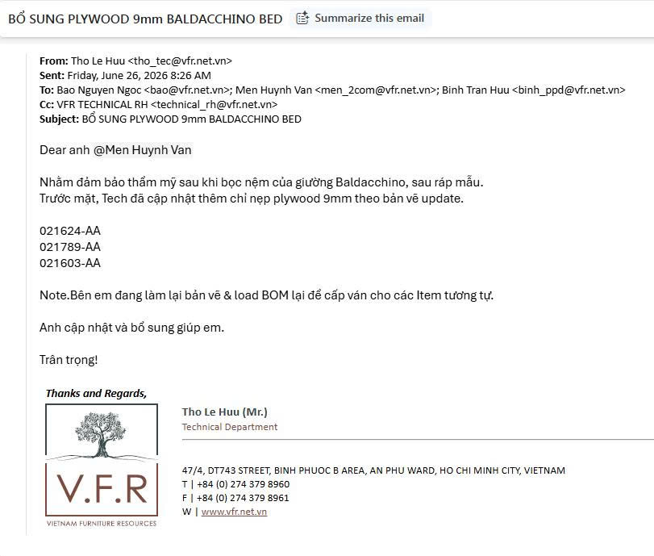
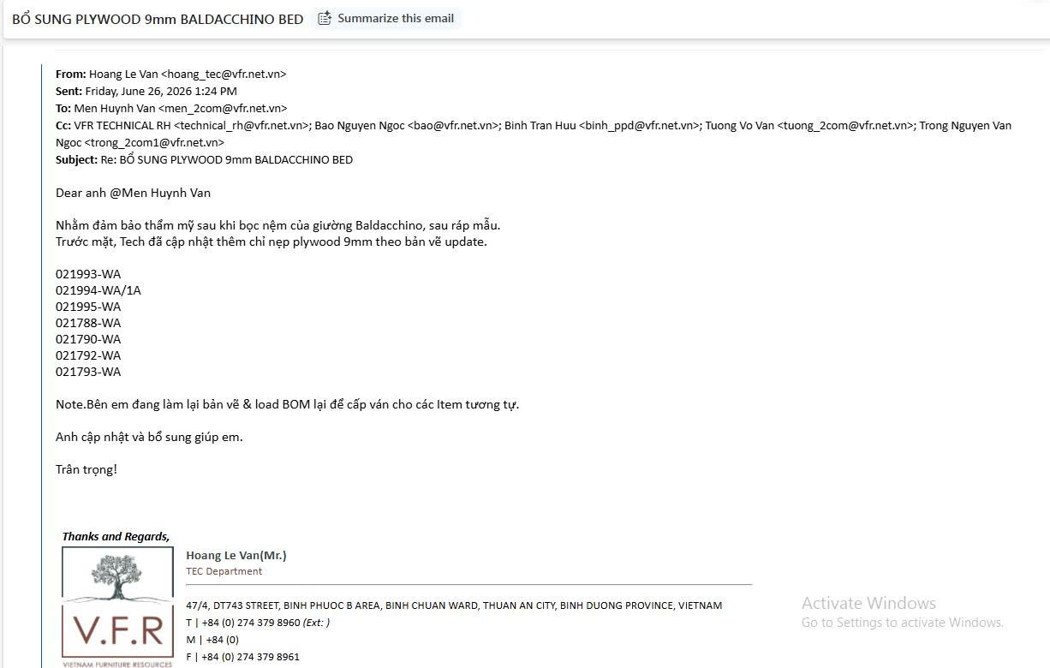
Select | Request Code | Material Code | Material Name | Material Dimension(W-L-T) | Unit | Supplement Qty | WO | Item Code | Revision | Carcass Code | ItemQty | BOM Qty Per Item | Total BOM Qty | Requester Remark | HOD Remark | Related HOD Remark | BOD Remark | Budget | HOD | Related HOD | BOD
0 | SRC-202606-0071 | 013-02-00054 | Plywood 9x1220x2440mm, bleached poplar BB Grade, TSCA VI (MR) - Plywood 9x1220x2440mm, bleached poplar BB Grade, TSCA VI (MR) | 1220 x 2440 x 9 | Sheet | 0.1 | 30052 | 021994-WA | 1 | CAR-021994-A | 1 | 0 | 0 |  |  |  |  | 0 | Approved | Approved | Approved
0 | SRC-202606-0071 | 013-02-00054 | Plywood 9x1220x2440mm, bleached poplar BB Grade, TSCA VI (MR) - Plywood 9x1220x2440mm, bleached poplar BB Grade, TSCA VI (MR) | 1220 x 2440 x 9 | Sheet | 0.1 | 30052 | 021993-WA | 1 | CAR-021993-A | 1 | 0 | 0 |  |  |  |  | 0 | Approved | Approved | Approved
0 | SRC-202606-0071 | 013-02-00054 | Plywood 9x1220x2440mm, bleached poplar BB Grade, TSCA VI (MR) - Plywood 9x1220x2440mm, bleached poplar BB Grade, TSCA VI (MR) | 1220 x 2440 x 9 | Sheet | 0.1 | 30052 | 021793-WA | 1 | CAR-021793-A | 1 | 0 | 0 |  |  |  |  | 0 | Approved | Approved | Approved
0 | SRC-202606-0071 | 013-02-00054 | Plywood 9x1220x2440mm, bleached poplar BB Grade, TSCA VI (MR) - Plywood 9x1220x2440mm, bleached poplar BB Grade, TSCA VI (MR) | 1220 x 2440 x 9 | Sheet | 0.1 | 30052 | 021792-WA | 1 | CAR-021792-A | 2 | 0 | 0 |  |  |  |  | 0 | Approved | Approved | Approved
0 | SRC-202606-0071 | 013-02-00054 | Plywood 9x1220x2440mm, bleached poplar BB Grade, TSCA VI (MR) - Plywood 9x1220x2440mm, bleached poplar BB Grade, TSCA VI (MR) | 1220 x 2440 x 9 | Sheet | 0.3 | 30052 | 021790-WA | 1 | CAR-021790-A | 1 | 0 | 0 |  |  |  |  | 0 | Approved | Approved | Approved
0 | SRC-202606-0071 | 013-02-00054 | Plywood 9x1220x2440mm, bleached poplar BB Grade, TSCA VI (MR) - Plywood 9x1220x2440mm, bleached poplar BB Grade, TSCA VI (MR) | 1220 x 2440 x 9 | Sheet | 2 | 30052 | 021782-WA | 1 | CAR-021782-A | 5 | 0 | 0 |  |  |  |  | 0 | Approved | Approved | Approved
0 | SRC-202606-0071 | 013-02-00054 | Plywood 9x1220x2440mm, bleached poplar BB Grade, TSCA VI (MR) - Plywood 9x1220x2440mm, bleached poplar BB Grade, TSCA VI (MR) | 1220 x 2440 x 9 | Sheet | 0.1 | 30052 | 021783-WA | 1 | CAR-021783-A | 2 | 0 | 0 |  |  |  |  | 0 | Approved | Approved | Approved
0 | SRC-202606-0071 | 013-02-00054 | Plywood 9x1220x2440mm, bleached poplar BB Grade, TSCA VI (MR) - Plywood 9x1220x2440mm, bleached poplar BB Grade, TSCA VI (MR) | 1220 x 2440 x 9 | Sheet | 0.1 | 30052 | 021788-WA | 1 | CAR-021788-A | 2 | 0 | 0 |  |  |  |  | 0 | Approved | Approved | Approved
0 | SRC-202606-0071 | 013-02-00054 | Plywood 9x1220x2440mm, bleached poplar BB Grade, TSCA VI (MR) - Plywood 9x1220x2440mm, bleached poplar BB Grade, TSCA VI (MR) | 1220 x 2440 x 9 | Sheet | 0.1 | 70066 | 021624-AA | 1 | CAR-021624-B | 9 | 0 | 0 |  |  |  |  | 0 | Approved | Approved | Approved
0 | SRC-202606-0071 | 013-02-00054 | Plywood 9x1220x2440mm, bleached poplar BB Grade, TSCA VI (MR) - Plywood 9x1220x2440mm, bleached poplar BB Grade, TSCA VI (MR) | 1220 x 2440 x 9 | Sheet | 0.1 | 8314 | 021624-AA | 1 | CAR-021624-B | 5 | 0 | 0 |  |  |  |  | 0 | Approved | Approved | Approved
0 | SRC-202606-0071 | 013-02-00054 | Plywood 9x1220x2440mm, bleached poplar BB Grade, TSCA VI (MR) - Plywood 9x1220x2440mm, bleached poplar BB Grade, TSCA VI (MR) | 1220 x 2440 x 9 | Sheet | 0.1 | 70073 | 021624-AA | 1 | CAR-021624-B | 5 | 0 | 0 |  |  |  |  | 0 | Approved | Approved | Approved
0 | SRC-202606-0071 | 013-02-00054 | Plywood 9x1220x2440mm, bleached poplar BB Grade, TSCA VI (MR) - Plywood 9x1220x2440mm, bleached poplar BB Grade, TSCA VI (MR) | 1220 x 2440 x 9 | Sheet | 0.1 | 52521 | 021624-AA | 1 | CAR-021624-B | 1 | 0 | 0 |  |  |  |  | 0 | Approved | Approved | Approved
0 | SRC-202606-0071 | 013-02-00054 | Plywood 9x1220x2440mm, bleached poplar BB Grade, TSCA VI (MR) - Plywood 9x1220x2440mm, bleached poplar BB Grade, TSCA VI (MR) | 1220 x 2440 x 9 | Sheet | 0.1 | 70076 | 021624-AA | 1 | CAR-021624-B | 1 | 0 | 0 |  |  |  |  | 0 | Approved | Approved | Approved
0 | SRC-202606-0071 | 013-02-00054 | Plywood 9x1220x2440mm, bleached poplar BB Grade, TSCA VI (MR) - Plywood 9x1220x2440mm, bleached poplar BB Grade, TSCA VI (MR) | 1220 x 2440 x 9 | Sheet | 0.1 | 70078 | 021789-AA | 1 | CAR-021789-A | 1 | 0 | 0 |  |  |  |  | 0 | Approved | Approved | Approved
0 | SRC-202606-0071 | 013-02-00054 | Plywood 9x1220x2440mm, bleached poplar BB Grade, TSCA VI (MR) - Plywood 9x1220x2440mm, bleached poplar BB Grade, TSCA VI (MR) | 1220 x 2440 x 9 | Sheet | 0.3 | 52521 | 021603-AA | 1 | CAR-021603-A | 1 | 0 | 0 |  |  |  |  | 0 | Approved | Approved | Approved
0 | SRC-202606-0071 | 013-02-00054 | Plywood 9x1220x2440mm, bleached poplar BB Grade, TSCA VI (MR) - Plywood 9x1220x2440mm, bleached poplar BB Grade, TSCA VI (MR) | 1220 x 2440 x 9 | Sheet | 0.1 | 30049 | 021624-WA | 1 | CAR-021624-B | 5 | 0 | 0 |  |  |  |  | 0 | Approved | Approved | Approved
0 | SRC-202606-0071 | 013-02-00054 | Plywood 9x1220x2440mm, bleached poplar BB Grade, TSCA VI (MR) - Plywood 9x1220x2440mm, bleached poplar BB Grade, TSCA VI (MR) | 1220 x 2440 x 9 | Sheet | 0.1 | 30049 | 021603-WA | 1 | CAR-021603-A | 5 | 0 | 0 |  |  |  |  | 0 | Approved | Approved | Approved

